District heat in commerical blg
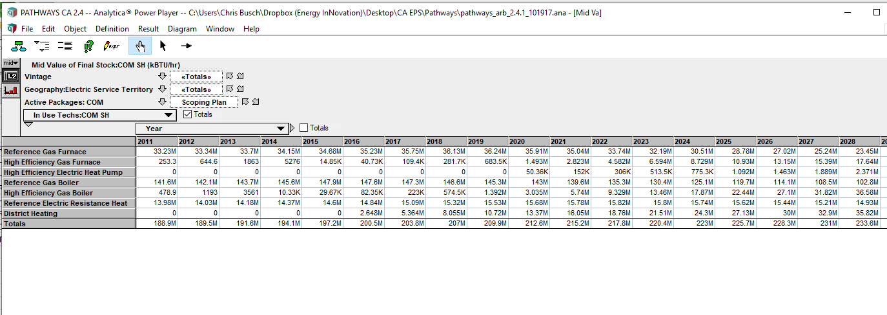
Scoping Plan plus 60% RPS
Commercial space heating
units are kBTU/hr
 | 2016 | 2017 | 2018 | 2019 | 2020 | 2021 | 2022 | 2023 | 2024 | 2025 | 2026 | 2027 | 2028 | 2029 | 2030 | 2031 | 2032 | 2033 | 2034 | 2035 | 2036 | 2037 | 2038 | 2039 | 2040 | 2041 | 2042 | 2043 | 2044 | 2045 | 2046 | 2047 | 2048 | 2049 | 2050
Reference Gas Furnace | 3.52E+07 | 3.58E+07 | 3.61E+07 | 3.62E+07 | 3.59E+07 | 3.50E+07 | 3.37E+07 | 3.22E+07 | 3.05E+07 | 2.88E+07 | 2.70E+07 | 2.52E+07 | 2.35E+07 | 2.17E+07 | 1.98E+07 | 1.80E+07 | 1.62E+07 | 1.44E+07 | 1.26E+07 | 1.09E+07 | 9.23E+06 | 7.68E+06 | 6.25E+06 | 4.98E+06 | 3.88E+06 | 2.95E+06 | 2.19E+06 | 1.59E+06 | 1.12E+06 | 7.71E+05 | 5.17E+05 | 3.37E+05 | 2.14E+05 | 1.32E+05 | 7.95E+04
High Efficiency Gas Furnace | 4.07E+04 | 1.09E+05 | 2.82E+05 | 6.83E+05 | 1.49E+06 | 2.82E+06 | 4.58E+06 | 6.59E+06 | 8.73E+06 | 1.09E+07 | 1.31E+07 | 1.54E+07 | 1.76E+07 | 1.99E+07 | 2.22E+07 | 2.45E+07 | 2.67E+07 | 2.90E+07 | 3.13E+07 | 3.35E+07 | 3.56E+07 | 3.76E+07 | 3.95E+07 | 4.13E+07 | 4.28E+07 | 4.42E+07 | 4.55E+07 | 4.65E+07 | 4.75E+07 | 4.83E+07 | 4.90E+07 | 4.97E+07 | 5.03E+07 | 5.08E+07 | 5.14E+07
High Efficiency Electric Heat Pump | 0 | 0 | 0 | 0 | 5.04E+04 | 1.52E+05 | 3.06E+05 | 5.14E+05 | 7.75E+05 | 1.09E+06 | 1.46E+06 | 1.89E+06 | 2.37E+06 | 2.91E+06 | 3.51E+06 | 4.16E+06 | 4.88E+06 | 5.67E+06 | 6.52E+06 | 7.43E+06 | 8.34E+06 | 9.26E+06 | 1.02E+07 | 1.11E+07 | 1.19E+07 | 1.28E+07 | 1.36E+07 | 1.44E+07 | 1.52E+07 | 1.59E+07 | 1.66E+07 | 1.72E+07 | 1.78E+07 | 1.84E+07 | 1.89E+07
Reference Gas Boiler | 1.48E+08 | 1.47E+08 | 1.47E+08 | 1.45E+08 | 1.43E+08 | 1.40E+08 | 1.35E+08 | 1.30E+08 | 1.25E+08 | 1.20E+08 | 1.14E+08 | 1.09E+08 | 1.03E+08 | 9.71E+07 | 9.13E+07 | 8.85E+07 | 8.56E+07 | 8.28E+07 | 8.00E+07 | 7.73E+07 | 7.46E+07 | 7.20E+07 | 6.94E+07 | 6.70E+07 | 6.46E+07 | 6.25E+07 | 6.05E+07 | 5.87E+07 | 5.71E+07 | 5.57E+07 | 5.47E+07 | 5.38E+07 | 5.32E+07 | 5.27E+07 | 5.25E+07
High Efficiency Gas Boiler | 8.24E+04 | 2.23E+05 | 5.75E+05 | 1.39E+06 | 3.04E+06 | 5.74E+06 | 9.33E+06 | 1.35E+07 | 1.79E+07 | 2.24E+07 | 2.71E+07 | 3.18E+07 | 3.66E+07 | 4.14E+07 | 4.62E+07 | 5.10E+07 | 5.58E+07 | 6.06E+07 | 6.54E+07 | 7.01E+07 | 7.48E+07 | 7.95E+07 | 8.40E+07 | 8.85E+07 | 9.28E+07 | 9.70E+07 | 1.01E+08 | 1.05E+08 | 1.08E+08 | 1.12E+08 | 1.15E+08 | 1.18E+08 | 1.20E+08 | 1.23E+08 | 1.25E+08
Reference Electric Resistance Heat | 1.48E+07 | 1.51E+07 | 1.53E+07 | 1.55E+07 | 1.57E+07 | 1.58E+07 | 1.58E+07 | 1.58E+07 | 1.57E+07 | 1.56E+07 | 1.54E+07 | 1.52E+07 | 1.49E+07 | 1.46E+07 | 1.42E+07 | 1.37E+07 | 1.32E+07 | 1.26E+07 | 1.20E+07 | 1.13E+07 | 1.05E+07 | 9.82E+06 | 9.11E+06 | 8.41E+06 | 7.73E+06 | 7.07E+06 | 6.45E+06 | 5.85E+06 | 5.29E+06 | 4.76E+06 | 4.28E+06 | 3.84E+06 | 3.44E+06 | 3.08E+06 | 2.77E+06
District Heating | 2.65E+06 | 5.36E+06 | 8.05E+06 | 1.07E+07 | 1.34E+07 | 1.60E+07 | 1.88E+07 | 2.15E+07 | 2.43E+07 | 2.71E+07 | 3.00E+07 | 3.29E+07 | 3.58E+07 | 3.88E+07 | 4.17E+07 | 4.17E+07 | 4.17E+07 | 4.17E+07 | 4.17E+07 | 4.17E+07 | 4.17E+07 | 4.17E+07 | 4.17E+07 | 4.17E+07 | 4.17E+07 | 4.17E+07 | 4.17E+07 | 4.17E+07 | 4.17E+07 | 4.17E+07 | 4.17E+07 | 4.17E+07 | 4.17E+07 | 4.17E+07 | 4.17E+07

Total | 2.00E+08 | 2.04E+08 | 2.07E+08 | 2.10E+08 | 2.13E+08 | 2.15E+08 | 2.18E+08 | 2.20E+08 | 2.23E+08 | 2.26E+08 | 2.28E+08 | 2.31E+08 | 2.34E+08 | 2.36E+08 | 2.39E+08 | 2.42E+08 | 2.44E+08 | 2.47E+08 | 2.50E+08 | 2.52E+08 | 2.55E+08 | 2.58E+08 | 2.60E+08 | 2.63E+08 | 2.66E+08 | 2.68E+08 | 2.71E+08 | 2.74E+08 | 2.76E+08 | 2.79E+08 | 2.82E+08 | 2.84E+08 | 2.87E+08 | 2.90E+08 | 2.92E+08

We do not have data on what fraction of these facilities are combined heat and power facilities as compared to dedicated, offsite heat. We apply an assumption that 50% are true district heat, i.e. heat only.

fraction district heating | 1% | 1% | 2% | 3% | 3% | 4% | 4% | 5% | 5% | 6% | 7% | 7% | 8% | 8% | 9% | 9% | 9% | 8% | 8% | 8% | 8% | 8% | 8% | 8% | 8% | 8% | 8% | 8% | 8% | 7% | 7% | 7% | 7% | 7% | 7%

The above % is based on notion of equal operating hours (igores the per hour dimension)

